Sheet1
Health Canada's Guidance on nitrosamine impurities in medications
Appendix 1: Established acceptable intake (AI) limits for N-nitrosamine impurities
(version: 2026-03-11)

CAS RN: Chemical Abstracts Service Registry Number
CPCA: Carcinogenic Potency Categorization Approach
AI: Acceptable Intake
̶―: Not applicable
* Limit to be applied to maximum daily dose (MDD) of the drug product
** Treat as non-mutagenic impurity and control as per ICH’s Q3A and Q3B guidelines
*** Limit based on negative in vitro bacterial mutagenicity test
^ Limit established using a weight of evidence approach
^^ CPCA category was established using a correction to account for the 5-carbon chain feature length

Date Most Recently Published (YYYY-MM-DD) | Related Drug Substance | N-nitrosamine (and acronym, if available) | Chemical Structure | CAS RN (if available) | CPCA Category | AI Limit (ng/day)*
2026-03-11 | Folic acid | N-nitroso-folic acid | 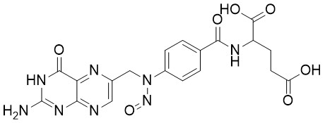 | 26360-21-4 | ― | **
2026-03-11 | Diltiazem | N-nitroso-N-desmethyl-diltiazem | 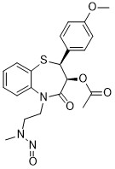 | 3036581-85-5 | ― | 100
2026-03-11 | Vancomycin | N-nitroso-vancomycin | 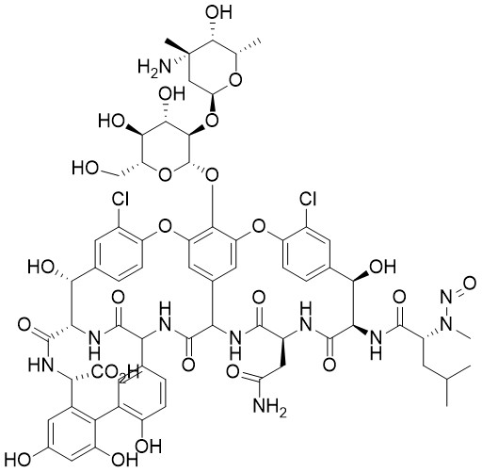 | ― | ― | **
2026-03-11 | Labetalol | N-nitroso-labetalol |  | 2820170-74-7 | ― | 1500***
2026-03-11 | Benzydamine | 3-(dimethylamino)propyl 2-(benzyl(nitroso)amino)benzoate |  | ― | ― | 1500***
2026-03-11 | Paroxetine | N-nitroso-paroxetine | 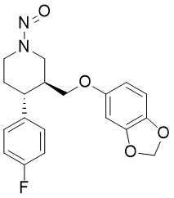 | 2361294-43-9 | ― | 1500***
2026-03-11 | Dabigatran etexilate | N-nitroso-dabigatran etexilate imide | 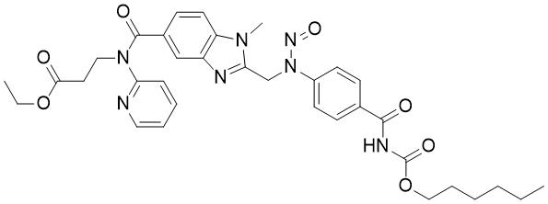 | ― | ― | 1500^
2026-03-11 | ― | N-nitroso-meglumine |  | 62137-31-9 | 2 | 100
2025-12-17 | Doravirine | N-nitroso-doravirine dimer | 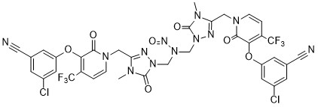 | ― | _ | 1500***
2025-12-17 | Berotralstat | N-nitroso-berotralstat | 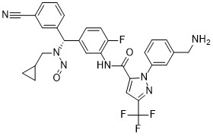 | ― | ― | 1500***
2025-12-17 | Relebactam | N-nitroso-relebactam | 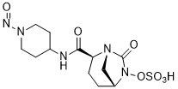 | ― | 3 | 400
2025-12-17 | Olanzapine | N-nitroso-olanzapine | 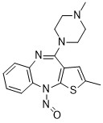 | ― | 5 | 1500
2025-12-17 | Elagolix | N-nitroso-elagolix | 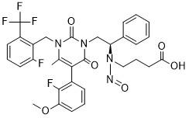 | ― | 4 | 1500
2025-12-17 | Zolmitriptan | N-nitroso-desmethyl-zolmitriptan | 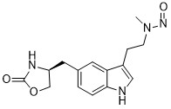 | ― | 1 | 18
2025-12-17 | Diphenhydramine | N-nitroso-N-desmethyl-diphenhydramine |  | 55855-43-1 | ― | 100
2025-12-17 | Valacyclovir | N-nitroso-N-methyl-valacyclovir |  | ― | ― | 1500***
2025-12-17 | Perindopril | N-nitroso-perindopril | 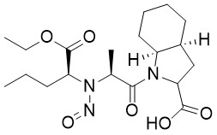 | ― | ― | **
2025-12-17 | Ramipril | N-nitroso-ramipril |  | ― | ― | **
2025-12-17 | Quetiapine | 2-(2-(4-nitrosopiperazin-1-yl)ethoxy)ethan-1-ol |  | 73486-81-4 | 3 | 400
2025-12-17 | Pseudoephedrine | N-nitroso-pseudoephedrine |  | 1850-88-0 | ― | 1500***
2025-08-01 | Almotriptan | N-nitroso-desmethyl-almotriptan | 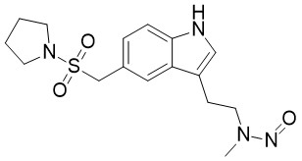 | _ | 1 | 18
2025-08-01 | Amiodarone | N-nitroso-N-desethyl-amiodarone | 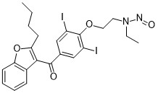 | 678982-38-2 | 1 | 18
2025-08-01 | Cabergoline | N-nitroso-N-desmethyl-cabergoline | 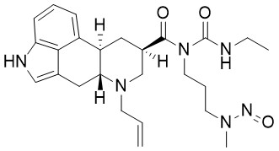 | _ | 1 | 18
2025-08-01 | Ropinirole | N-nitroso-N-despropyl-ropinirole | 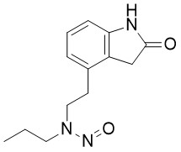 | ― | 1 | 18
2025-08-01 | Cobicistat | N-((2- isopropylthiazol-4-yl) methyl)-N-methylnitrous amide (NNTA) | 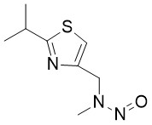 | ― | 1 | 18
2025-08-01 | Brinzolamide | N-nitroso-brinzolamide | 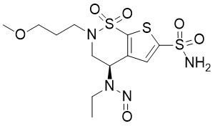 | _ | 2 | 100
2025-08-01 | Carvedilol | N-nitroso-carvedilol |  | 2248746-67-8 | 3 | 400
2025-08-01 | Safinamide | N-nitroso-safinamide | 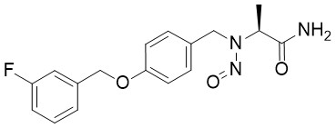 | 2657645-00-4 | 3 | 400
2025-08-01 | Methadone | N-nitroso-N-desmethyl-methadone | 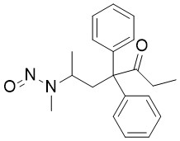 | ― | 3 | 400
2025-08-01 | Dalbavancin | N-nitroso-dalbavancin | 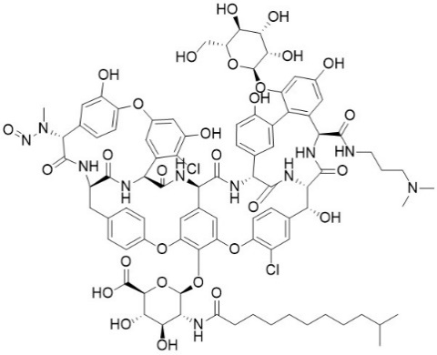 | _ | 4 | 1500
2025-08-01 | Norfloxacin | N-nitroso-norfloxacin | 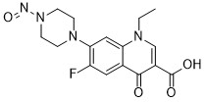 | 74011-53-3 | 4 | 1500
2025-08-01 | Danicopan | (2S,4R)-N-(6-bromopyridin-2-yl)-4-fluoro-1-nitrosopyrrolidine-2-carboxamide | 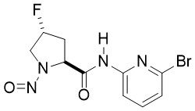 | ― | 4 | 1500
2025-08-01 | Vanzacaftor | N-nitroso-vanzacaftor (^^) | 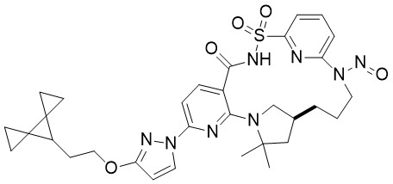 | ― | 4 | 1500
2025-08-01 | Acarbose | N-nitroso-acarbose | 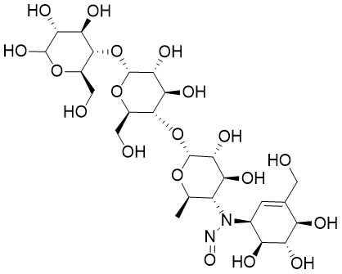 | _ | 5 | 1500
2025-08-01 | Nadolol | N-nitroso-nadolol |  | 134720-06-2 | 5 | 1500
2025-08-01 | Doxylamine | N-nitroso-N-desmethyl-doxylamine |  | ― | ― | 100
2024-12-11 | Ritonavir | N-((2-isopropylthiazol-4-yl) methyl)-N-methylnitrous amide（NNTA) |  | _ | 1 | 18
2024-12-11 | Galantamine | N-nitroso-N-desmethyl-galantamine | 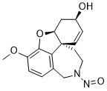 | ― | 1 | 18
2024-12-11 | Amitriptyline | N-nitroso-nortriptyline (NNORT) |  | 55855-42-0 | 1 | 18
2024-12-11 | Nortriptyline | N-nitroso-nortriptyline (NNORT) | 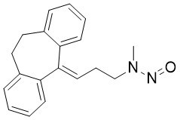 | 55855-42-0 | 1 | 18
2024-12-11 | Valsartan | (S)-Methyl 2-(((2'-cyano-[1,1'-biphenyl]-4-yl)methyl)(nitroso) amino)-3-methylbutanoate |  | _ | 2 | 100
2024-12-11 | Colesevelam | N-nitroso-didecylamine |  | _ | 2 | 100
2024-12-11 | Epinephrine | N-nitroso-epinephrine | 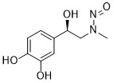 | ― | 2 | 100
2024-12-11 | Propafenone | N-nitroso-propafenone | 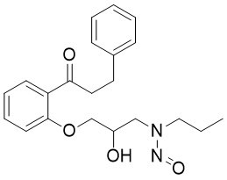 | _ | 2 | 100
2024-12-11 | Buspirone | 2-(4-nitrosopiperazine-1-yl)-pyrimidine |  | 872826-80-7 | 3 | 400
2024-12-11 | Dasatinib | N-nitroso-N-deshydroxyethyl-dasatinib |  | _ | 3 | 400
2024-12-11 | Acebutolol | N-nitroso-acebutolol |  | _ | 4 | 1500
2024-12-11 | Ivacaftor | N-nitroso-ivacaftor | 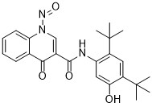 | ― | 5 | 1500
2024-12-11 | Bupropion | N-nitroso-bupropion |  | 2763780-10-3 | ― | **
2024-12-11 | Diclofenac | N-nitroso-diclofenac |  | 66505-80-4 | ― | 78000
2024-07-26 | Rizatriptan | N-nitroso-N-desmethyl-rizatriptan | 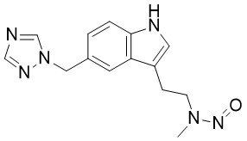 | _ | 1 | 18
2024-07-26 | Tramadol | N-nitroso-N-desmethyl-tramadol | 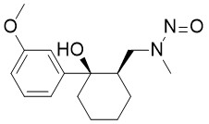 | ― | 1 | 18
2024-07-26 | Riociguat | N-(4,6-diamino-2-(1-(2-fluorobenzyl)-1H-pyrazolo[3,4-b]pyridin-3-yl)pyrimidin-5-yl)-N-methylnitrous amide | 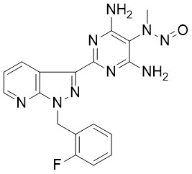 | ― | 2 | 100
2024-07-26 | Sertraline | N-nitroso-sertraline |  | ― | 2 | 100
2024-07-26 | Nintedanib | N-nitroso-N-desmethyl-nintedanib | 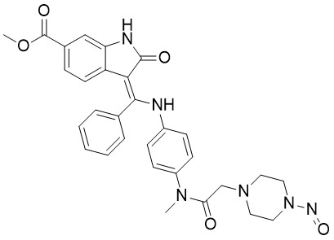 | _ | 3 | 400
2024-07-26 | Tetracaine | N-nitroso-tetracaine | 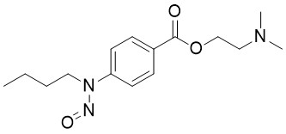 | _ | 3 | 400
2024-07-26 | Caspofungin | N-nitroso-caspofungin | 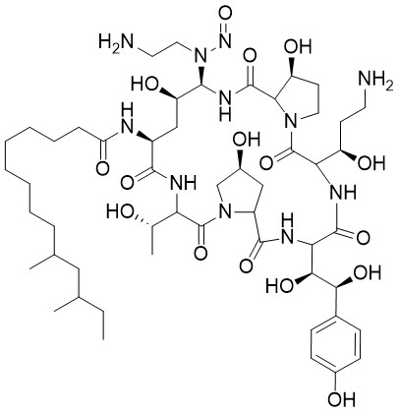 | ― | 4 | 1500
2024-07-26 | Esmolol | N-nitroso-esmolol | 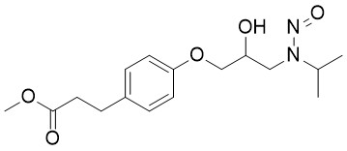 | _ | 4 | 1500
2024-07-26 | Trandolapril | N-nitroso-trandolapril | 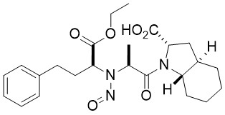 | ― | 5 | 1500
2024-07-26 | Ciprofloxacin | N-nitroso-ciprofloxacin |  | 864443-44-7 | ― | **
2024-07-26 | Entacapone | N-nitroso-diethylamine (NDEA) |  | 55-18-5 | ― | 26.5
2024-07-26 | Citalopram | N-nitroso-N-desmethyl-citalopram |  | ― | ― | 100
2024-05-31 | ― | 3-((ethyl(nitroso)amino)methyl)benzenesulfonate |  | ― | 1 | 18
2024-05-31 | Trientine | N-(2-aminoethyl)-N-(2-((2-aminoethyl)amino)ethyl)nitrous amide |  | ― | 1 | 18
2024-05-31 | ― | N-nitroso-N-ethyl-benzylamine (NBEA) |  | 20689-96-7 | 1 | 18
2024-05-31 | Sitagliptin | 7-nitroso-3-(trifluoromethyl)-5,6,7,8-tetrahydro[1,2,4]triazolo-[4,3-a]pyrazine (NTTP) |  | 2892260-32-9 | 2 | 100
2024-05-31 | Edoxaban | N-nitroso-N-desmethyl-edoxaban | 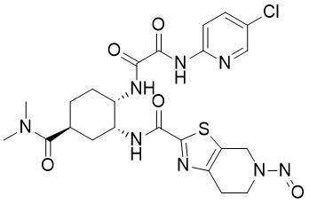 | ― | 2 | 100
2024-05-31 | Mirabegron | (R)-N-(4-aminophenethyl)-N-(2-hydroxy-2-phenylethyl)nitrous amide |  | ― | 3 | 400
2024-05-31 | Posaconazole | 1-(4-(((3R,5R)-5-((1H-1,2,4-triazol-1-yl)methyl)-5-(2,4-difluorophenyl)tetrahydrofuran-3-yl)methoxy)phenyl)-4-nitrosopiperazine | 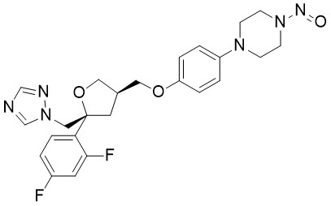 | ― | 3 | 400
2024-05-31 | Mirabegron | (R)-N-(2-hydroxy-2-phenylethyl)-N-(4-nitrophenethyl)nitrous amide |  | ― | 3 | 400
2024-05-31 | ― | N-nitroso-ethylisopropylamine (NEIPA) |  | 16339-04-1 | 3 | 400
2024-05-31 | Rivaroxaban | (R)-N-(3-chloro-2-hydroxypropyl)-N-(4-(3-oxomorpholino)phenyl)nitrous amide | 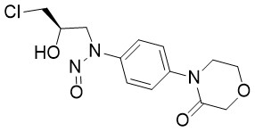 | ― | 4 | 1500
2024-05-31 | Rivaroxaban | (S)-2-(2-((4-(5-((5-chlorothiophene-2-carboxamido)methyl)-2-oxooxazolidin-3-yl)phenyl)(nitroso)amino)ethoxy)acetic acid | 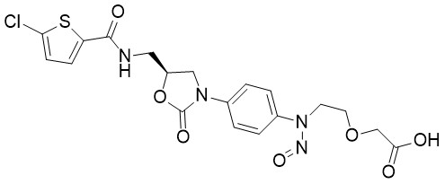 | ― | 4 | 1500
2024-05-31 | Rivaroxaban | (S)-N-(3-(1,3-dioxoisoindolin-2-yl)-2-hydroxypropyl)-N-(4-(3-oxomorpholino)phenyl)nitrous amide | 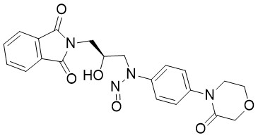 | ― | 4 | 1500
2024-05-31 | Rivaroxaban | N-(2-hydroxyethyl)-N-phenylnitrous amide |  | 25413-76-7 | 4 | 1500
2024-05-31 | ― | N-nitroso-4-(methylamino)butyric acid (NMBA) |  | 61445-55-4 | 4 | 1500
2024-05-31 | Argatroban | N-nitroso-argatroban | 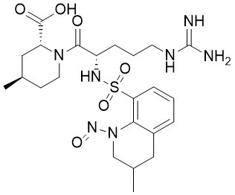 | ― | 4 | 1500
2024-05-31 | Articaine | N-nitroso-articaine | 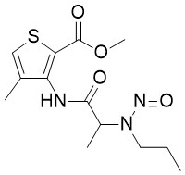 | ― | 4 | 1500
2024-05-31 | ― | N-nitroso-diisopropylamine (NDIPA) |  | 601-77-4 | 5 | 1500
2024-05-31 | Lisinopril | N-nitroso-lisinopril | 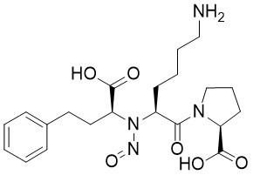 | 519175-80-5 | ― | **
2024-05-31 | Clarithromycin | N-nitroso-N-desmethyl-clarithromycin | 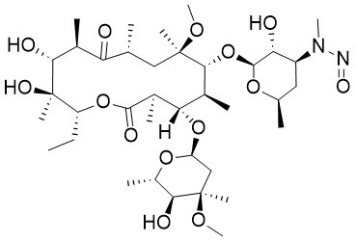 | ― | ― | **
2024-05-31 | Tigecycline | N-nitroso-tigecycline |  | ― | ― | **
2024-03-28 | Clozapine | N-nitroso-clozapine EP Impurity C | 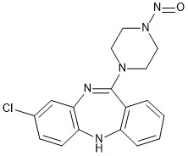 | ― | 3 | 400
2024-03-28 | Terazosin | N-nitroso-terazosin EP Impurity C | 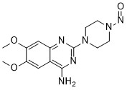 | ― | 3 | 400
2024-03-28 | Apixaban | N-nitroso-apixaban Impurity B | 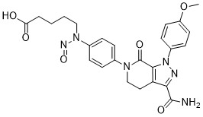 | ― | 4 | 1500
2024-03-28 | Methylphenidate | N-nitroso-ritalinic acid |  | ― | 4 | 1500
2024-03-28 | Silodosin | N-nitroso-silodosin |  | ― | 4 | 1500
2024-03-28 | Indapamide | (2RS)-2-methyl-1-nitroso-2,3-dihydro-1H-indole (Indapamide EP Impurity A) |  | 85440-79-5 | 5 | 1500
2024-03-28 | Gliclazide | 2-nitrosooctahydrocyclopenta[c]pyrrole (Gliclazide EP Impurity B) |  | 54786-86-6 | ― | 1700
2024-03-15 | Azelastine | N-nitroso-desmethylazelastine |  | ― | 2 | 100
2024-03-15 | Terazosin | (4-nitrosopiperazin-1-yl)(tetrahydrofuran-2-yl)methanone |  | ― | 3 | 400
2024-03-15 | Aripiprazole | 1-(2,3-dichlorophenyl)-4-nitrosopiperazine |  | 2221987-86-4 | 3 | 400
2024-03-15 | Bilastine | 1-(2-ethoxyethyl)-2-(1-nitrosopiperidin-4-yl)-1H-benzo[d]imidazole |  | ― | 3 | 400
2024-03-15 | Ranolazine | 1-(2-methoxyphenoxy)-3-(4-nitrosopiperazin-1-yl)propan-2-ol |  | ― | 3 | 400
2024-03-15 | Ranolazine | N-(2,6-dimethylphenyl)-2-(4-nitrosopiperazin-1-yl)acetamide |  | ― | 3 | 400
2024-03-15 | Tofacitinib | N-methyl-N-((3R,4R)-4-methyl-1-nitrosopiperidin-3-yl)-7H-pyrrolo[2,3-d]pyrimidin-4-amine |  | ― | 3 | 400
2024-03-15 | Landiolol | N-nitroso-landiolol |  | ― | 3 | 400
2024-03-15 | Mirtazapine | N-nitroso-N-desmethyl-mirtazepine |  | ― | 3 | 400
2024-03-15 | Sildenafil | N-nitroso-N-desmethyl-sildenafil |  | ― | 3 | 400
2024-03-15 | Benzydamine | 2-[benzyl(nitroso)amino]benzoic acid |  | 1028-91-7 | 4 | 1500
2024-03-15 | Betaxolol | N-nitroso-betaxolol |  | ― | 4 | 1500
2024-03-15 | Bumetanide | N-nitroso-bumetanide |  | 2490432-02-3 | 4 | 1500
2024-03-15 | Daridorexant | 5-chloro-4-methyl-2-[(2S)-2-methyl-1-nitrosopyrrolidin-2-yl]-1H-benzimidazole |  | ― | 5 | 1500
2024-03-15 | Dabigatran etexilate | N-nitroso-dabigatran etexilate |  | ― | ― | 1500***
2024-03-15 | Dorzolamide | N-nitroso-dorzolamide |  | ― | ― | 1500***
2024-03-15 | Leucovorin | N-nitroso-folinic acid |  | ― | ― | **
2023-10-20 | Alogliptin | 3-amino-N-nitrosopiperidine |  | 2819242-71-0 | 3 | 400
2023-10-20 | Cinacalcet | N-nitroso-cinacalcet |  | ― | 3 | 400
2023-10-20 | Rivaroxaban | (S)-5-chloro-N-(2-hydroxy-3-(nitroso(4-(3-oxomorpholino)phenyl)amino)propyl)thiophene-2-carboxamide |  | ― | 4 | 1500
2023-07-24 | Penicillin G benzathine | N,N'-dinitroso-N,N'-dibenzylethanediamine |  | ― | 1 | 18
2023-07-24 | Terbinafine | N-[(2E)-6,6-dimethyl-2-hepten-4-yn-1-yl]-N-nitrosomethanamine |  | ― | 1 | 18
2023-07-24 | Betahistine | N-nitroso-betahistine |  | 32635-81-7 | 1 | 18
2023-07-24 | Penicillin G benzathine | N-nitroso-N,N'-dibenzylethanediamine |  | ― | 1 | 18
2023-07-24 | Desvenlafaxine | N-nitroso-N-desmethyl-desvenlafaxine |  | ― | 1 | 18
2023-07-24 | Orphenadrine | N-nitroso-N-desmethyl-orphenadrine (NMOA) |  | ― | 1 | 18
2023-07-24 | Sumatriptan | N-nitroso-N-desmethyl-sumatriptan |  | ― | 1 | 18
2023-07-24 | Terbinafine | N-nitroso-N-desmethyl-terbinafine |  | ― | 1 | 18
2023-07-24 | Tripelennamine | N-nitroso-N-desmethyl-tripelennamine |  | ― | 1 | 18
2023-07-24 | Terbinafine | N-nitroso-N-methyl-1-naphthylmethylamine |  | 296760-88-8 | 1 | 18
2023-07-24 | Doxylamine | N-nitroso-N-methyl-2-[1-phenyl-1- (2-pyridinyl)methoxy]ethanamine |  | ― | 1 | 18
2023-07-24 | Doxepin | N-nitroso-nordoxepin |  | ― | 1 | 18
2023-07-24 | Lidocaine | N-nitroso-desethyl-lidocaine |  | ― | 2 | 100
2023-07-24 | Rivastigmine | N-nitroso-N-desmethyl-rivastigmine |  | ― | 2 | 100
2023-07-24 | Phenylephrine | N-nitroso-phenylephrine |  | 78658-64-7 | 2 | 100
2023-07-24 | Rasagiline | N-nitroso-rasagiline |  | 2470278-90-9 | 2 | 100
2023-07-24 | Rifapentine | 1-cyclopentyl-4-nitrosopiperazine (CPNP) |  | 61379-66-6 | 3 | 400
2023-07-24 | ― | 1-methyl-4-nitrosopiperazine (MNP) |  | 16339-07-4 | 3 | 400
2023-07-24 | Hydroxyzine | 2-(2-(4-nitrosopiperazin-1-yl)ethoxy)ethan-1-ol |  | 73486-81-4 | 3 | 400
2023-07-24 | Ciprofloxacin | N,N'-dinitrosopiperazine |  | 140-79-4 | 3 | 400
2023-07-24 | Quetiapine | N-nitroso-desalkyl-quetiapine (NDAQ) |  | ― | 3 | 400
2023-07-24 | Desloratadine | N-nitroso-desloratadine |  | 1246819-22-6 | 3 | 400
2023-07-24 | Frovatriptan | N-nitroso-frovatriptan |  | ― | 3 | 400
2023-07-24 | Mirabegron | N-nitroso-mirabegron |  | ― | 3 | 400
2023-07-24 | Doxycycline | N-nitroso-N-desmethyl-doxycycline |  | ― | 3 | 400
2023-07-24 | Valacyclovir | N-nitroso-N-ethyl-valacyclovir |  | ― | 3 | 400
2023-07-24 | ― | N-nitroso-piperazine |  | 5632-47-3 | 3 | 400
2023-07-24 | Pramipexole | N-nitroso-pramipexole |  | ― | 3 | 400
2023-07-24 | Varenicline | N-nitroso-varenicline (NNV) |  | 2755871-02-2 | 3 | 400
2023-07-24 | Vortioxetine | N-nitroso-vortioxetine |  | ― | 3 | 400
2023-07-24 | Levofloxacin | (S)-10-((2-aminoethyl)(nitroso)amino)-9-fluoro-3-methyl-7-oxo-2,3-dihydro-7H-[1,4]oxazino[2,3,4-ij]quinoline-6-carboxylic acid |  | ― | 4 | 1500
2023-07-24 | Atenolol | N-nitroso-atenolol |  | 134720-04-0 | 4 | 1500
2023-07-24 | Bisoprolol | N-nitroso-bisoprolol |  | 2820170-76-9 | 4 | 1500
2023-07-24 | Flecainide | N-nitroso-flecainide |  | ― | 4 | 1500
2023-07-24 | Furosemide | N-nitroso-furosemide |  | 2708280-93-5 | 4 | 1500
2023-07-24 | Meropenem | N-nitroso-meropenem |  | ― | 4 | 1500
2023-07-24 | Metoprolol | N-nitroso-metoprolol |  | 134720-05-1 | 4 | 1500
2023-07-24 | Moxifloxacin | N-nitroso-moxifloxacin |  | ― | 4 | 1500
2023-07-24 | Dextromethorphan | N-nitroso-N-desmethyl-dextromethorphan |  | ― | 4 | 1500
2023-07-24 | Levofloxacin | N-nitroso-N-desmethyl-levofloxacin |  | 1152314-62-9 | 4 | 1500
2023-07-24 | Nebivolol | N-nitroso-nebivolol |  | 1391051-68-5 | 4 | 1500
2023-07-24 | Propranolol | N-nitroso-propranolol |  | 84418-35-9 | 4 | 1500
2023-07-24 | Sotalol | N-nitroso-sotalol |  | 134720-07-3 | 4 | 1500
2023-07-24 | Tamsulosin | N-nitroso-tamsulosin |  | 2892260-31-8 | 4 | 1500
2023-07-24 | Benazepril | N-nitroso-benazepril |  | ― | 5 | 1500
2023-07-24 | Cilazapril | N-nitroso-cilazapril |  | 1053740-92-3 | 5 | 1500
2023-07-24 | Clozapine | N-nitroso-clozapine |  | 156632-03-0 | 5 | 1500
2023-07-24 | Enalapril | N-nitroso-enalapril |  | ― | 5 | 1500
2023-07-24 | Felodipine | N-nitroso-felodipine |  | ― | 5 | 1500
2023-07-24 | Ketamine | N-nitroso-ketamine |  | 86144-35-6 | 5 | 1500
2023-07-24 | Trimebutine | N-nitroso-N-desmethyl-trimebutine |  | ― | 5 | 1500
2023-07-24 | Salbutamol | N-nitroso-salbutamol |  | ― | 5 | 1500
2023-07-24 | Valsartan | (S)-2-(((2'-(1H-tetrazol-5-yl)-[1,1′-biphenyl]-4-yl)methyl)(nitroso)amino)-3-methylbutanoic acid |  | 2254485-68-0 | ― | **
2023-07-24 | Atomoxetine | N-nitroso-atomoxetine |  | ― | ― | 100
2023-07-24 | Azithromycin | N-nitroso-azaerythromycin |  | ― | ― | **
2023-07-24 | Fluoxetine | N-nitroso-fluoxetine |  | 150494-06-7 | ― | 100
2023-07-24 | Hydrochlorothiazide | N-nitroso-hydrochlorothiazide |  | 63779-86-2 | ― | **
2023-07-24 | Azithromycin | N-nitroso-N-desmethylazithromycin |  | ― | ― | **
2023-07-24 | ― | N-nitroso-pyrrolidine (NPYR) |  | 930-55-2 | ― | 1700
2023-07-24 | Quinapril | N-nitroso-quinapril |  | 158522-79-3 | ― | **
2023-04-17 | ― | N-nitroso-diethanolamine (NDELA) |  | 1116-54-7 | ― | 1900
2023-04-17 | ― | N-nitroso-diphenylamine (NDPh) |  | 86-30-6 | ― | 78000
2023-04-17 | Mefenamic acid | N-nitroso-mefenamic acid |  | 2114-63-8 | ― | 78000
2022-09-01 | ― | 4-(methylnitrosoamino)-1-(3-pyridyl)-1-(butanone) (NNK) |  | 64091-91-4 | ― | 100
2022-05-27 | ― | N-methyl-N-nitroso-phenethylamine (NMPEA) |  | 13256-11-6 | ― | 8
2022-05-27 | ― | N-nitroso-1,2,3,6-tetrahydropyridine (NTHP) |  | 55556-92-8 | ― | 37
2022-05-27 | Duloxetine | N-nitroso-duloxetine (NDLX) |  | ― | ― | 100
2022-05-27 | Methylphenidate | N-nitroso-methylphenidate (NMPH) |  | 55557-03-4 | ― | 1300
2022-05-27 | ― | N-nitroso-piperidine (NPIP) |  | 100-75-4 | ― | 1300
2021-12-06 | ― | N-nitroso-dipropylamine (NDPA) |  | 621-64-7 | ― | 26.5
2021-12-06 | ― | N-nitroso-morpholine (NMOR) |  | 59-89-2 | ― | 127
2020-12-15 | ― | N-nitroso-dibutylamine (NDBA) |  | 924-16-3 | ― | 26.5
2019-10-02 | ― | N-nitroso-diethylamine (NDEA) |  | 55-18-5 | ― | 26.5
2019-10-02 | ― | N-nitroso-dimethylamine (NDMA) |  | 62-75-9 | ― | 96

